System
Transactions
Financial Statements
Balance Sheet (Asset = Liability + Owners Equity)
Income Statement (Revenue – Expenses = Profit)
Statement of Cashflows ($ Receipts and $ Payments)
Statement of Changes in Owners Equity (OE at start + changes = OE at end) – sometimes viewed as a note.
Asset = Liability + Owners Equity

Explain
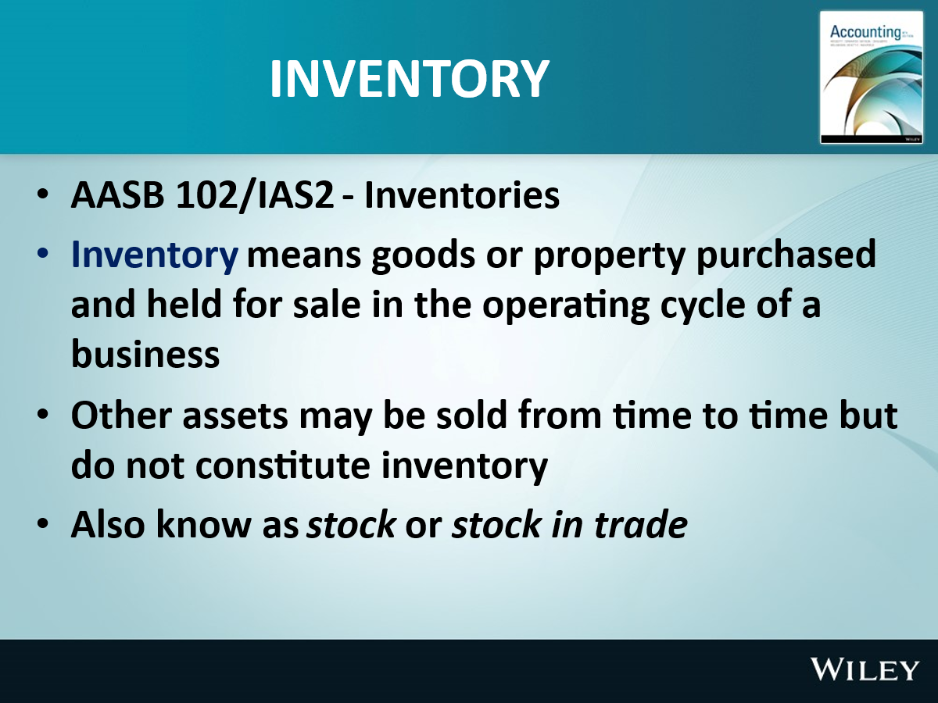
INVENTORY ACCOUNTING
 |  |  | Merchandising
Meaning |  | Manufacturing | Trading | Service
 |  |  | Retail
0% | Raw material | Yes
1% to 99% | Work in progress | Yes
100% | Finished goods | Yes | Yes
 | Supplies, Consumables | Yes |  | Yes
 |  |  |  |  |  | Jewellery store |  |  | e.g. |  | Grocery story
 |  |  |  |  |  | Each transaction |  |  | COGS |  | Each period
Inventory Accounting for retailer |  | System 1 | System 2 |  |  | Low |  |  | Volume |  | High
 |  | Perpetual | Periodic |  |  | Perpetual |  |  |  | Periodic
 | Volume | Low | High |  | Start | Buy | COGS | End |  | Start | Purchase | COGS | End
 | Examples | Jewellary | Stationery |  |  | 20 | 15 |  |  |  | 20
 |  | Car | Grocery |  |  | 30 | 25 |  |  |  | 30
 | Key difference |  |  |  |  | 40 | 35 |  |  |  | 40
 | COGS recording | Each transaction | Each period |  | 10 | 90 | 75 | 25 |  | 10 | 90 | 75 | 25 | Must
 |  |  |  |  |  |  |  |  |  |  |  | 10+90-25 | Verify | Note
 | Reported profit | Same | Same |  |  |  | IS Exp | BS Asset |  |  |  | IS Exp | BS Asset

Terms of sale | Supplier | Vehicle | Ship | Vehicle | Buyer | Buyer
 | Factory |  | Airport |  | Factory | Installation
Expenses |  | Loading | Freight, Forward Insurance | Unloading |  | Site preparation
 |  | Transport | Custom duty | Transport |  | Installation & set up
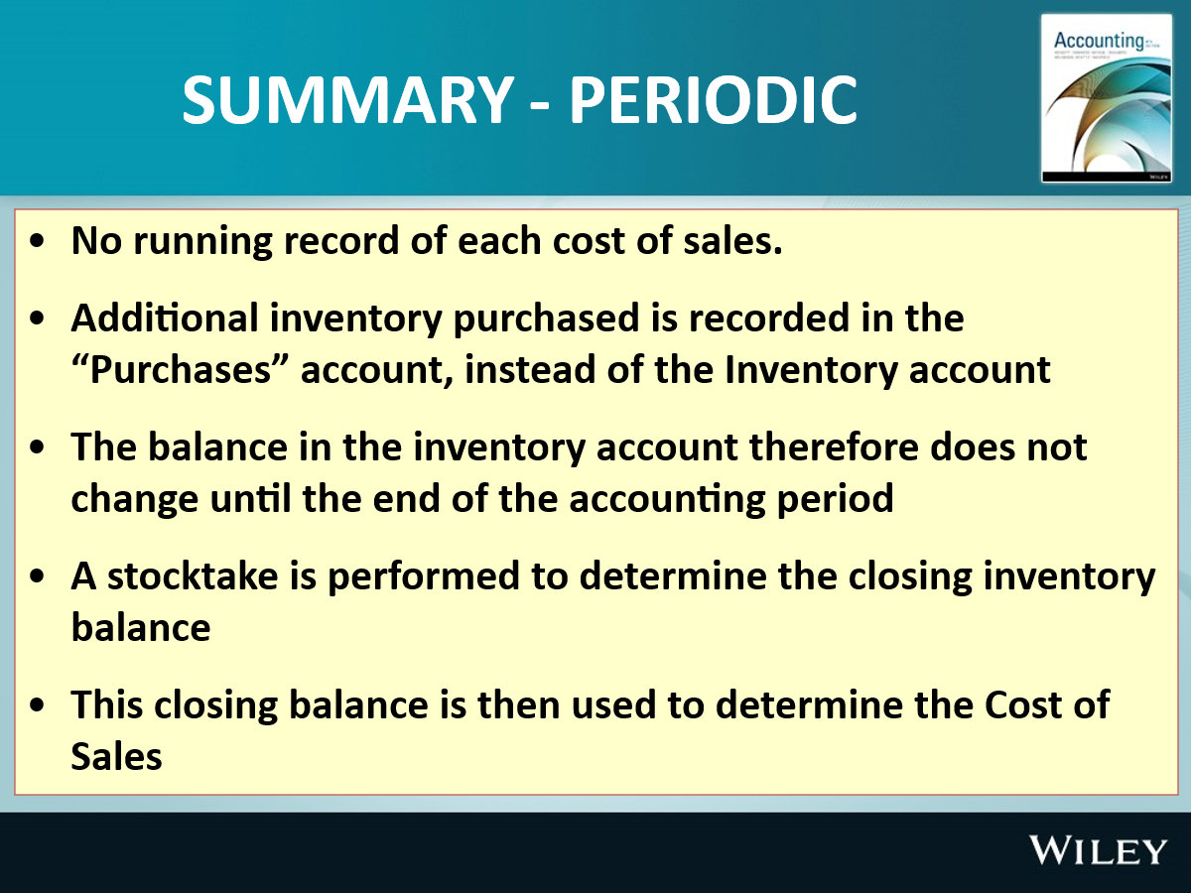
 |  |  |  |  |  | Trial runs

Buyer pays |  |  |  |  |  |  | Ex works |  | Buyer pays
Seller pays |  |  |  |  |  |  |  |  | Seller pays
 |  |  |  |  |  |  | FOB

 |  |  |  |  |  |  | DDP

 |  |  |  |  |  |  | Turnkey

Credit period | 2/10, n/60
 | Net pay in 60 days
 | 2% discount if paid within 10 days |  | Cash or settlement discount for prompt payment

 | Bank | Inventory |  | AP |  |  | Profit
Gross Method |  | 100 |  | 100
 | -98 |  |  | -100 |  |  | 2 | Discount Recd

Net Method |  | 98 |  | 98
 | -98 |  |  | -98

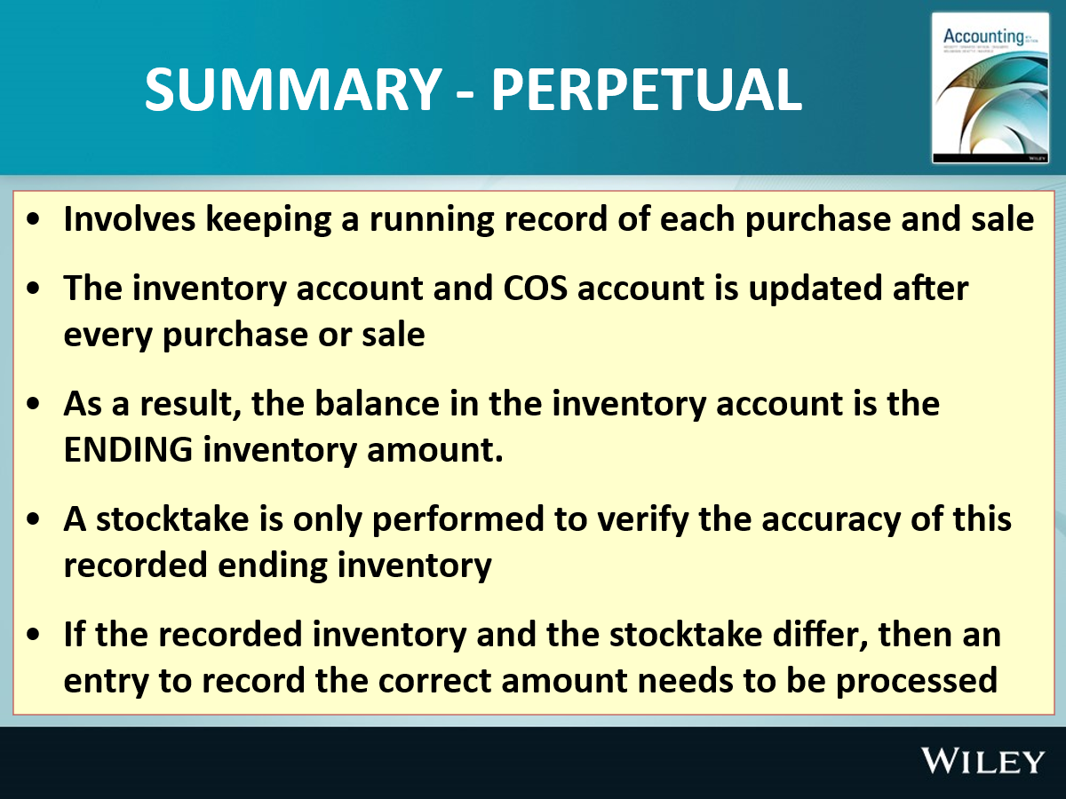
 | INVENTORY VALUATION METHODS

 |  | BUY |  |  |  | SELL
 | Units | Rate | $ |  | Units | Rate | $ |  | Profit
Ex 1 | 10 | 3 | 30 |  | 10 | 9 | 90 |  | 90-30=60

Ex 2 | 10 | 3 | 30 |  | 8 | 9 | 72 |  | 72-24=48
 |  |  |  |  |  |  |  |  | 8units* $3

Ex 3 | 10 | 3 | 30
 | 10 | 4 | 40
 | 20 | 3.5 | 70 |  | 10 | 9 | 90 |  | R-E=P
 | 10 |  | 35 | wavco |  |  |  |  | 90-30=60 | FIFO
 |  |  |  |  |  |  |  |  | 95-40=55

 |  |  |  |  | 10 | 9.5 | 95 |  | 90-40=50 | LIFO
 |  |  |  |  |  |  |  |  | 95-30=65

 |  |  |  |  |  |  |  |  | 90-35=55 | wavco
 |  |  |  |  |  |  |  |  | 95-35=60

 |  |  |  |  |  |  |  |  |  | SIM

 |  |  |  |  |  | Volume |  | Low |  |  |  | High
 |  |  |  |  |  | Margin |  | High |  |  |  | Low

 |  |  |  |  |  |  | Prada | LVMH | Amazon | M&S | Walmart | Carrefour | Amazone | Tesco
 |  |  |  |  |  |  | % | % | % | % | % | % | % | %
 |  |  |  |  |  | Sales | 100 | 100 | 100 | 100 | 100 | 100 | 100 | 100
 |  |  |  |  | Less | COS | 22 | 31 | 60 | 67 | 75 | 79 | 80 | 94
 |  |  |  |  | Equal | Gross margin | 78 | 69 | 40 | 33 | 25 | 21 | 20 | 6
 |  |  |  |  |  | Trading
 |  |  |  |  |  | Assembly

